Sheet1 (2)
 |  |  |  |  |  |  |  | vdb / excel / AER_16sxffe450_icpist_stroke.xlsx
 | 8-15-16
 | 16 sxf fe 450 [Bert's AER fork]
 | fork icspr and icpist
 |  | --> approximate dimensions, probably accurate to +/- 1mm

 | I. | Calculate icpist stroke

 |  | A. | mv pist diameter, mm |  |  | 34 | dia
 |  |  |  |  |  | 908 | mm2

 |  |  | icrod diameter |  |  | 10 | dia
 |  |  |  |  |  | 79 | mm2

 |  |  | total mv pist area |  |  | 908
 |  |  |  |  |  | -79
 |  |  |  |  |  | 829 | mm2

 |  | B. | mv rod diameter |  |  | 12 | dia
 |  |  |  |  |  | 113 | mm2
 |  |  |  |  |  | 308 | stroke
 |  |  |  |  |  | 34834 | mm3

 |  | C. | calculate icpist stroke |  |  | 34834 / 829 = 42mm stroke

 | II. | Measure icpist stroke and preload

 |  | A. | Measuring tool

 |  |  |  |  | 116mm

 |  | B. | icpist max depth with bv assy out of fork
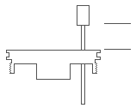

 |  |  |  |  |  | 7mm |  | relaxed ht = | 7 | mm

 |  | C. | icpist depth with bv installed and burped

 |  |  |  |  |  | 25mm |  | preloaded ht = | 25 | mm
 |  |  |  |  |  |  |  | relaxed ht = | -7
 |  |  |  |  |  |  |  |  | 18 | prel

 |  | D. | icpist depth with ctg rod fully bottomed at 308mm stroke

 |  |  |  |  |  | 65mm |  | bottomed ht = | 65 | mm
 |  |  |  |  |  |  |  | relaxed ht = | -7
 |  |  |  |  |  |  |  |  | 58 | total icpist stroke
 |  |  |  |  |  |  |  |  |  | (including prel)

 |  | E. | measured icpist stroke |  |  |  |  | bottomed ht = | 65 | mm
 |  |  |  |  |  |  |  | preloaded ht = | -25
 |  |  |  |  |  |  |  |  | 40 | icpist stroke
 |  |  | NOTE: calculated stroke is 42mm,
 |  |  | measured stroke is 40mm.
 |  |  | [As noted, these are approximate measurements]

 | III. | Overfill and burp the AER fork ctg assy

 |  | A. | icpist has to stroke approx 58mm for oring to hit taper on icrod
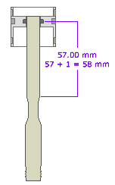

 |  | B. | Air is trapped in cupped icpist area. This air is removed when the ctg is burped,
 |  |  | assuming all the air goes out first.
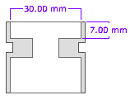
 |  |  |  |  |  |  |  | icpist inner dia = | 30 | dia
 |  |  |  |  |  |  |  |  | 707 | mm2
 |  |  |  |  |  |  |  |  | 7 | ht
 |  |  |  |  |  |  |  |  | 4948 | mm3

 |  |  |  |  |  |  |  | icrod dia = | 10 | dia
 |  |  |  |  |  |  |  |  | 79 | mm2
 |  |  |  |  |  |  |  |  | 7 | ht
 |  |  | --> area to burp = 4984 - 505 = 4398 mm3 |  |  |  |  |  | 550 | mm3

 |  | C. | The 122 ctg rod needs to stroke about 39mm to displace this volume of air, again,
 |  |  | assuming all the air goes out first.
 |  |  |  |  |  |  |  | rod dia = | 12 | dia
 |  |  |  |  |  |  |  |  | 113 | mm2
 |  |  |  |  |  |  |  |  | 39 | ht
 |  |  |  | --> area to burp = 4984 - 505 = 4398 mm3 |  |  |  |  | 4411 | mm3

 |  | D. | We set the bv cap to 30mm |  |  |  | E. | After installing the bv cap, the ctg rod was
 |  |  | above the ctg rod, but had to |  |  |  |  | about 100mm when the oring was
 |  |  | press the bv cap in with |  |  |  |  | engaging the icrod taper to burp.
 |  |  | hydraulic press.
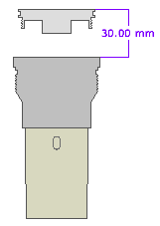
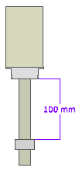

 |  | F. This is the icpist position |  |  |  | G. After burp, the icpiston
 |  | when it burps. |  |  |  | height is as shown.

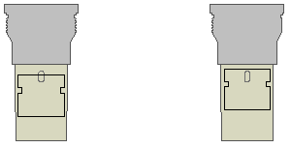
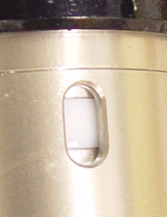

ddd

Sheet1
 |  |  |  |  |  |  |  | vdb / excel / AER_16sxffe450_icpist_stroke.xlsx
 | 8-15-16
 | 16 sxf fe 450 [Bert's AER fork]
 | fork icspr and icpist
 |  | --> approximate dimensions, probably accurate to +/- 1mm

 | I. | Calculate icpist stroke

 |  | A. | mv pist diameter, mm |  |  | 34 | dia
 |  |  |  |  |  | 908 | mm2

 |  |  | icrod diameter |  |  | 10 | dia
 |  |  |  |  |  | 79 | mm2

 |  |  | total mv pist area |  |  | 908
 |  |  |  |  |  | -79
 |  |  |  |  |  | 829 | mm2

 |  | B. | mv rod diameter |  |  | 12 | dia
 |  |  |  |  |  | 113 | mm2
 |  |  |  |  |  | 308 | stroke
 |  |  |  |  |  | 34834 | mm3

 |  | C. | calculate icpist stroke |  |  | 34834 / 829 = 42mm stroke

 | II. | Measure icpist stroke and preload

 |  | A. | Measuring tool

 |  |  |  |  | 116mm

 |  | B. | icpist max depth with bv assy out of fork

 |  |  |  |  |  | 7mm |  | relaxed ht = | 7 | mm

 |  | C. | icpist depth with bv installed and burped

 |  |  |  |  |  | 25mm |  | preloaded ht = | 25 | mm
 |  |  |  |  |  |  |  | relaxed ht = | -7
 |  |  |  |  |  |  |  |  | 18 | prel

 |  | D. | icpist depth with ctg rod fully bottomed at 308mm stroke

 |  |  |  |  |  | 65mm |  | bottomed ht = | 65 | mm
 |  |  |  |  |  |  |  | relaxed ht = | -7
 |  |  |  |  |  |  |  |  | 58 | total icpist stroke
 |  |  |  |  |  |  |  |  |  | (including prel)

 |  | E. | measured icpist stroke |  |  |  |  | bottomed ht = | 65 | mm
 |  |  |  |  |  |  |  | preloaded ht = | -25
 |  |  |  |  |  |  |  |  | 40 | icpist stroke
 |  |  | NOTE: calculated stroke is 42mm,
 |  |  | measured stroke is 40mm.
 |  |  | [As noted, these are approximate measurements]

 | III. | Overfill and burp the AER fork ctg assy

 |  | A. | icpist has to stroke approx 58mm for oring to hit taper on icrod

 |  | B. | Air is trapped in cupped icpist area. This air is removed when the ctg is burped,
 |  |  | assuming all the air goes out first.

 |  |  |  |  |  |  |  | icpist inner dia = | 30 | dia
 |  |  |  |  |  |  |  |  | 707 | mm2
 |  |  |  |  |  |  |  |  | 7 | ht
 |  |  |  |  |  |  |  |  | 4948 | mm3

 |  |  |  |  |  |  |  | icrod dia = | 10 | dia
 |  |  |  |  |  |  |  |  | 79 | mm2
 |  |  |  |  |  |  |  |  | 7 | ht
 |  |  | --> area to burp = 4984 - 505 = 4398 mm3 |  |  |  |  |  | 550 | mm3

 |  | C. | The 122 ctg rod needs to stroke about 39mm to displace this volume of air, again,
 |  |  | assuming all the air goes out first.
 |  |  |  |  |  |  |  | rod dia = | 12 | dia
 |  |  |  |  |  |  |  |  | 113 | mm2
 |  |  |  |  |  |  |  |  | 39 | ht
 |  |  |  | --> area to burp = 4984 - 505 = 4398 mm3 |  |  |  |  | 4411 | mm3

 |  | D. | We set the bv cap at 30mm, but it is hard |  |  |  | E. | After installing the bv cap, the ctg burps
 |  |  | to compress the cap to get threads started. |  |  |  |  | with rod at about 100mm.

 |  | F. This is the icpist position |  |  |  | G. After burp, the icpiston height
 |  | when it burps. |  |  |  | is as shown with rod bottomed.

 |  | H. | Upon disassembly, cap height is 14mm,
 |  |  | indicating about 14mm prel on icspring.
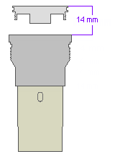

ddd

