shock
Print this info and laminate for riders.

 |  |  |  | Kevin 817-312-8622
Shock |  | hp1010 \ my docs \ suspension_info_ \ sh_click_diagrams ' shock_clickers.xls

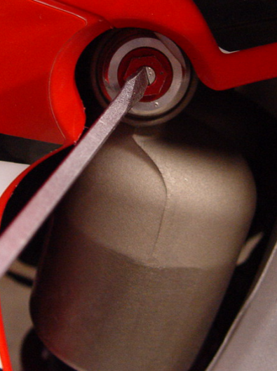
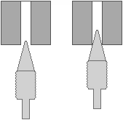
Low compression = 'lc'

 | stiffer
 | [right]

The lc screw clicks.
Count each click. |  |  | Turning the screw right closes the
 |  |  | needle in the seat. Use very light
 |  |  | force turning the screwdriver.
[righty tighty - lefty loosey] |  |  | Excessive tightening can mash
 |  |  | the needle.

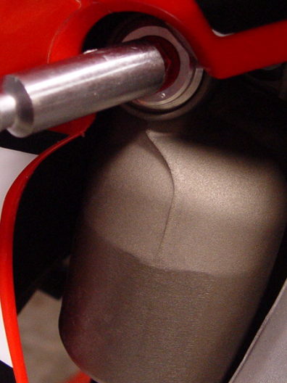
High compression = 'hc'

 | stiffer
 | [right]

The hc nut turns. |  |  | Turning the 'hc nut' right tightens
Count turns of the nut. |  |  | a spring, which influences the
 |  |  | compression damping.

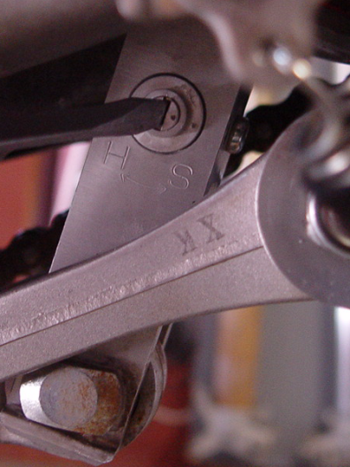
Rebound = 'reb'

 | slower
 | [right]

The reb screw clicks.
Count each click. |  |  | Turning the screw right closes the
 |  |  | needle in the seat. Use very light |  | All clicker adjustments are referred to from the full closed position (right) and then turned out (left).
 |  |  | force turning the screwdriver.
 |  |  | Excessive tightening can mash
 |  |  | the needle.

All adjustments are backed out from the full closed position.
Example: lc - 12 out |  | turn screw in until it lightly seats, then 12 clicks out
Example: hc - 1.5 out |  | turn nut in until it seats, then 1 1/2 turns out
Example: reb - 8 out |  | turn screw in until it lightly seats, then 8 clicks out

fk_sh_clickers
Print this info and laminate for riders.

 |  |  | MB1 Suspension |  |  | Kevin 817-312-8622
 |  |  |  |  | vdb \ excel \ sh_click_diag_4CS.xlsx
Date
Name
Bike

4CS FORK
 | Rebound is on the top - both white and red clickers are now rebound
 | Compression is on the bottom - 4mm allen wrench

 | Baseline fork clicker settings |  |  |  | Base compression = 'bc'
 |  | bc = |  |  | Rebound = 'r'
 |  | r =
 |  |  |  |  |  | stiffer
 |  |  |  |  | Both screws click.
 |  |  |  |  | Count each click.

SHOCK
 | All clicker settings are counted out from the fully closed postiion.
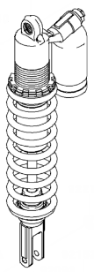
 |  |  |  | lc = screw | Low compression = 'lc'
 |  |  |  | hc = nut
 |  |  |  |  |  | stiffer
 |  |  |  |  | The lc screw clicks.
 |  |  |  |  | Count each click.

 |  |  |  |  | High compression = 'hc'

 |  |  |  |  |  | stiffer
 |  |  |  |  | The hc nut doesn't click.
 |  |  |  |  | Count # turns of the nut.
 |  |  |  |  |  | For example, 1.5 turns

 |  |  |  |  | Rebound = 'r'
 |  |  | reb = screw
 |  |  |  |  |  | slower
 |  |  |  |  | The reb screw clicks. |  | All clicker adjustments are referred to from the full closed position (right) and then turned out (left).
 |  |  |  |  | Count each click.

 | Baseline shock clicker settings
 |  | lc =
 |  | hc =
 |  | r =

